SelectionScreen
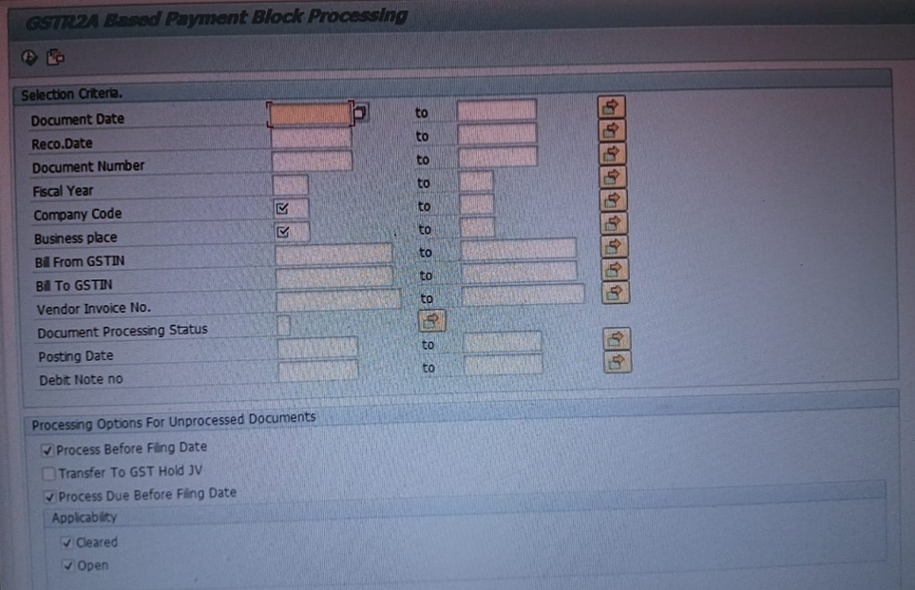
 |  | All | All

 |  | P_VAR | Layout

 |  | S_BELNR | Document Number
 |  | S_BILLFR | Bill From GSTIN
 |  | S_BILLTO | Bill To GSTIN
 |  | S_BUDAT | Posting Date
 |  | S_BUKRS | Company Code
 |  | S_BUPLA | Business Place
Selection Screen |  | S_DATE1 | Document Date
 |  | S_DEBIT | Debit Note no
Selection Screen |  | S_DOC | Vendor Invoice No.
Selection Screen |  | S_DOC_ST | Document Processing Status
 |  | S_GJAHR | Fiscal Year
Selection Screen |  | S_RECO | Reco.Date

Status Field Filtering
Selection Screen | Checkbox | MAT | Matched | IT_RECO | MATCHED
Selection Screen | Checkbox | MISSMAT | MisMatched | IT_RECO | PROONLY
Selection Screen | Checkbox | YEL | Unknown Process | IT_RECO | MATCHEDBYTOLERANCE, NEARMATCHED
Selection Screen | Checkbox | DBN | Debit Posted | IT_RECO1 | D
Selection Screen | Checkbox | REL | Released | IT_RECO1 | R, I

Selection Screen | Checkbox | P_PBF | Process Before Filing Date | At Selection Screen
Selection Screen | Checkbox | P_JV | Transfer to GST Hold JV | At Selection Screen
Selection Screen | Checkbox | P_DBF | Process Due Before Filing Date | At Selection Screen
Selection Screen | Checkbox | P_DBF_CL | Cleared | P_DBF_CL = P_DBF.
Selection Screen | Checkbox | P_DBF_OP | Open | P_DBF_OP = P_DBF.
N/A |  | P_BLOCK | Full Blocked Documents | P_BLOCK = P_JV.
N/A |  | P_SPLIT | Split Documents | P_SPLIT = P_JV.
N/A |  | P_DEB_N | Debit Notes | P_DEB_N = P_JV.
N/A |  | P_DAF | Process Due After Filing Date | ABAP_TRUE
N/A |  | P_DAF_CL | Cleared | P_DAF_CL = P_DAF.
N/A |  | P_DAF_OP | Open | P_DAF_OP = P_DAF.

01
1.1 | SET_GLOBALS( ).

 | MS_PROCESSING_OPTIONS
 | WAIT_FOR_FILING |  | ABAP_FALSE | WHEN P_PBF = ABAP_TRUE THEN ABAP_FALSE ELSE ABAP_TRUE )
 | JV_APPLICABILITY | blocked | Null | WHEN P_JV = ABAP_TRUE THEN VALUE #( BLOCKED = P_BLOCK SPLIT = P_SPLIT DEBIT_NOTE = P_DEB_N )
 |  | split | Null
 |  | debit_note | Null
 | DUE_BEFORE_FILING | cleared | ABAP_TRUE | WHEN P_DBF = ABAP_TRUE THEN VALUE #( CLEARED = P_DBF_CL OPEN = P_DBF_OP )
 |  | open | ABAP_TRUE
 | due_after_filing | cleared | ABAP_FALSE | WHEN P_DAF = ABAP_TRUE THEN VALUE #( CLEARED = P_DAF_CL OPEN = P_DAF_OP )
 |  | open | ABAP_FALSE

1.2 | SET_GLOBALS( ).
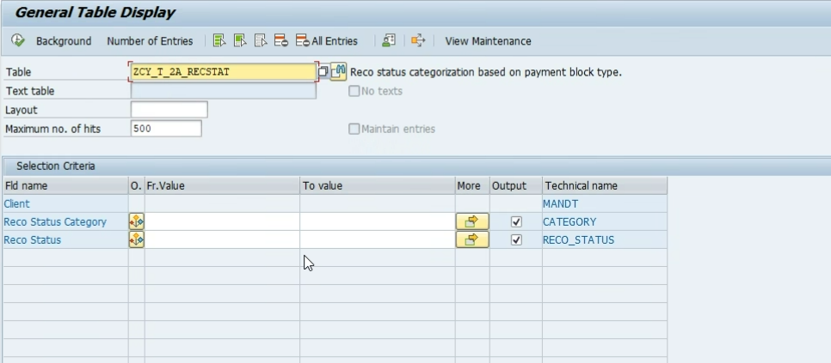
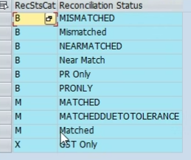
 |  |  |  | B | Matched By Tolerance
 |  |  |  | B | Mismatched
 |  |  |  | B | PR Only
 |  |  |  | B | PROnly
 |  |  |  | M | Matched
 |  |  |  | M | NearMatched
 |  |  |  | X | GstOnly
 | SELECT 'I' AS SIGN, 'EQ' AS OPTION, RECO_STATUS AS LOW FROM ZCY_T_2A_RECSTAT WHERE CATEGORY = @MCS_RECO_STATUS_CAT-MATCHED
 | INTO TABLE @MRT_MATCHED[].

 | MRT_MATCHED |  | MRT_MISMATCHED |  |  | MRT_EXEMPTED
 | SIGN, OPTION, LOW |  | SIGN, OPTION, LOW |  |  | SIGN, OPTION, LOW
 | I, EQ, MATCHED |  | I, EQ, MATCHED BY TOLERANCE |  |  | I, EQ, GSTONLY
 | I, EQ, NEARMATCHED |  | I, EQ, MISMATCHED
 |  |  | I, EQ, PR ONLY
 |  |  | I, EQ, PRONLY

Required Info
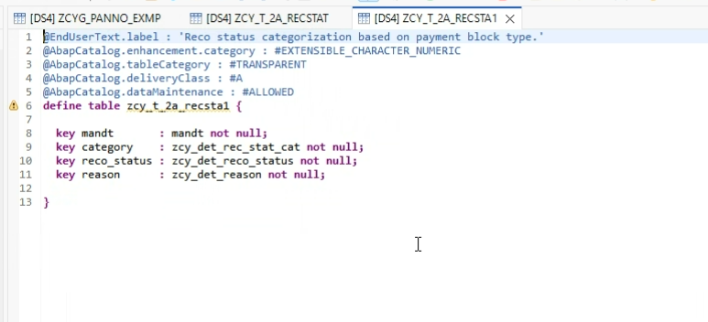
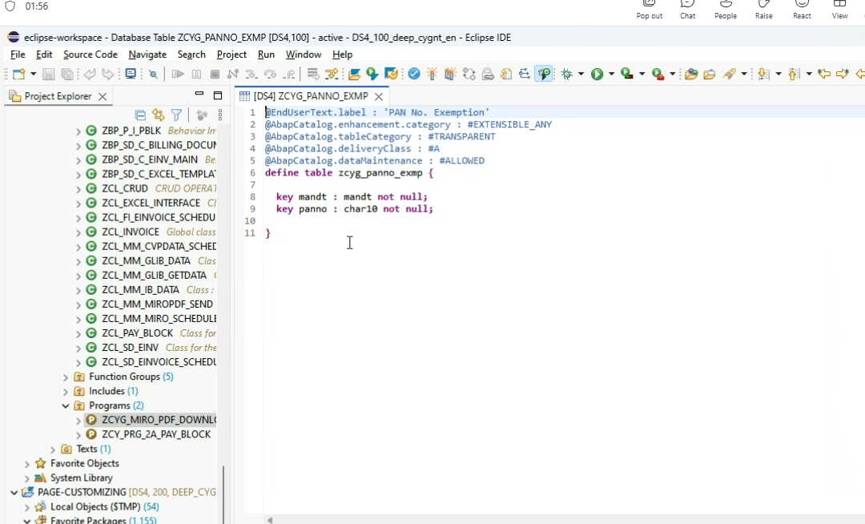

 | ZCY_T_2A_RECSTA1
structure | zcy_str_2a_pay_block_status

